Sheet1
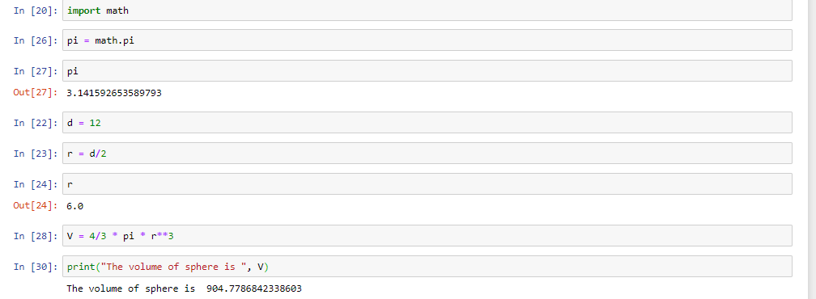
Assignment 1

Answer 1

Answer 2

Answer 3

Answer 4

